forms
2023 Team SCKF T-Shirt Order Forms

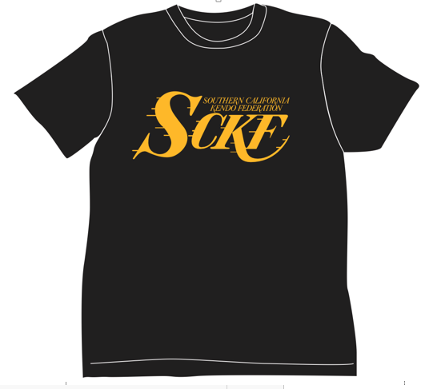

 |  |  |  |  |  |  | ONLY $20!!

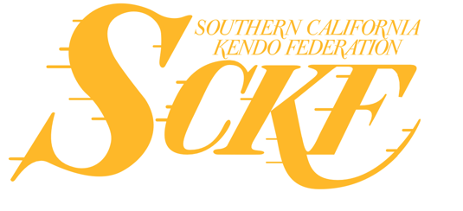

 | **BLACK SHIRT WITH GOLD FONTS** **Sizes from small and up**

 |  | SIZES | QUANITY | X | PRICE | = | TOTAL
 |  | S |  | X | $20 | = | 0
 |  | M |  | X | $20 | = | 0
 |  | L |  | X | $20 | = | 0
 |  | XL |  | X | $20 | = | 0
 |  | XXL |  | X | $20 | = | 0
 |  |  |  | X | $20 | = | 0
 |  | **ADULT SIZES ONLY** |  |  |  | TOTAL: | 0

 | Dojo: |  |  |  |  | Make check payable to:
 |  |  |  |  |  | "Southern California Kendo Federation"
 | Deadline:
 | Saturday, May 13, 2023 |  |  |  |  | Send check to:
 |  |  |  |  |  | Yuji Hosokawa
 | Email order forms to: |  |  |  |  | 9373 Thyme Ave
 | Yuji.Hosokawa@gmail.com |  |  |  |  | Fountain Valley, CA 92708

